CoalBalance
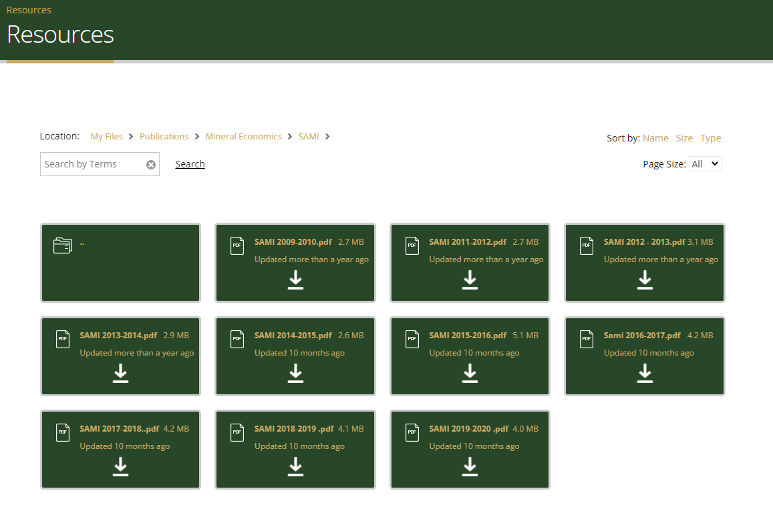
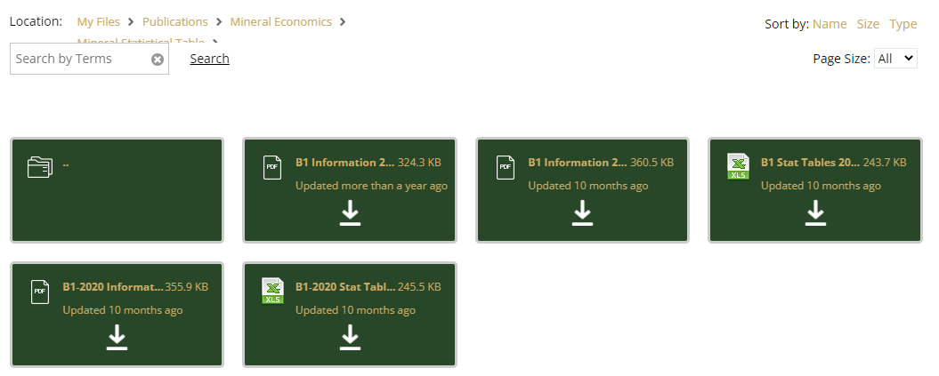
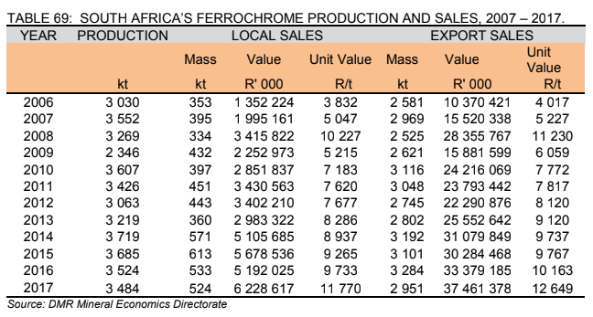
SATIM Coal Balance 2017
 |  |  |  |  |  |  |  |  |  |  |  |  |  |  |  |  |  |  |  |  |  | 20210201_Transition pathways_Technical appendix_vSend.pdf
 |  |  |  |  |  |  |  |  |  |  |  |  |  |  |  |  |  |  |  |  |  | Slide 18. |  |  | XMP 2013 |  |  |  | XMP 2012
 | Data Source |  | SUT |  |  |  |  |  | SATIMGE 2021 | SATIMGE 2022 | XMP 2017 v1 | XMP 2017 v2 | CSIR solar study | DMRE EB 2017 | DFFE 2017 | Eskom | NBI | SAMI 2017 | SATIMGE 2021 | SATIMGE2022 | DFFE 2017
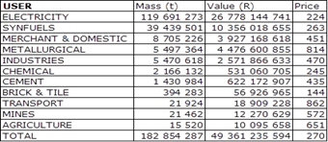
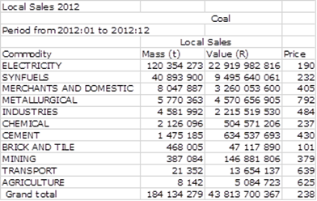
 |  |  |  | CV | Price |  | Price
 | Units |  | mR | MJ/kg | R/GJ | PJ | R/ton | mton | mton | mton | mton | mton | mton | mton | mton | mton | mton | mton | PJ | PJ | PJ
 | Final Consumption excl Transformation |  | 17239.76 | 309 | 430 | 437.3 | 11305 | 16.714 | 21.313 | 19.337 | 25.453 | 25.430 | 1.227 | 16.306 | 18.822 | 0.000 | 0.000 | 30.023 | 546.690 | 494.389 | 508.200
 | Industry Sector |  |  |  |  | 384.3 |  | 15.23 | 19.11 | 17.82 | 25.38 | 25.36 | 1.23 | 15.01 | 7.63 | 0.00 | 0.00 | 30.02 | 487.16 | 453.36 | 206.00
 | Chemicals |  |  |  |  | 32.4 |  | 1.54 | 1.59 | 1.59 | 1.25 | 1.70 | 0.07 | 1.83 | 0.00 | 0.00 | 0.00 | 0.00 | 33.30 | 33.30 | 0.00
 |  | Chemicals33 | 486.27 | 21 | 15 | 32.4 | 315 | 1.544 | 1.5857 | 1.5857 | 1.25 | 1.7 | 0.071 | 1.83 |  |  |  |  | 24.46 | 33.30
 |  | SasolChemicals |  |  |  |  |  |  |  |  |  |  |  |  |  |  |  |  | 8.84 | 0.00
 | Iron_Steel351 |  | 3576.96 | 28 | 50 | 71.5 | 1400 | 2.555 | 2.872 | 2.8718 | 2.91 | 3.1 |  | 2.80 |  |  |  | 5.71 | 80.41 | 80.41
 | PNFMetals352 |  | 18.95 | 27 | 45 | 0.4 | 1215 | 0.016 | 0.017 | 0.0167 |  |  |  | 0.13 |  |  |  |  | 0.45 | 0.45
 | NMMProducts34 |  | 1192.8 | 20 | 25 | 47.7 | 500 | 2.386 | 2.446 | 2.4460 | 1.236 | 1.3 |  | 1.63 |  |  |  |  | 48.92 | 48.92
 | Aluminium35220 |  | 0
 | FerroAlloys |  | 3560.55 | 28 | 50 | 71.2 | 1400 | 2.543 | 1.635 | 2.7000 | 2.7 | 1.6 |  |  |  |  |  |  | 45.79 | 75.60
 | Mining2 |  | 1229.06 | 23 | 35 | 35.1 | 805 | 1.527 | 1.659 | 1.6587 | 0.0471 | 0.06 | 0.152 | 0.05 |  |  |  |  | 38.15 | 38.15
 | Food_Bev_Tob30 |  | 741.88 | 27 | 45 | 16.5 | 1215 | 0.611 | 0.603 | 0.6026 |  |  | 0.856 | 0.28 |  |  |  |  | 16.27 | 16.27
 | Pulp_Paper323 |  | 3224.23 | 27 | 55 | 58.6 | 1485 | 2.171 | 1.682 | 2.1712 | 4.94 | 4.8 | 0.107 |  |  |  |  | 8.36 | 45.42 | 58.62 |  |  |  |  | Commodity | Mass(Mt) | Value(MR) | Price(R/t) | Check
 | IndOther |  | 2286.82 | 27 | 45 | 50.8 | 1215 | 1.882 | 6.609 | 3.7643 | 12.3 | 12.8 | 0.041 | 8.28 | 7.6 |  |  | 15.95 | 178.45 | 101.64 | 206 |  |  |  | Electricity | 115.30 | 37930 | 329 | 37,934
 | Other Sectors |  |  |  |  | 26.5 |  | 1.480 | 2.205 | 1.520 | 0.070 | 0.070 | 0.000 | 1.297 | 11.193 | 0.000 | 0.000 | 0.000 | 59.530 | 41.030 | 302.200
 | Comm&gov |  | 899.16 | 27 | 35 | 25.7 | 945 | 0.951 | 0.990 | 0.9900 |  |  |  | 0.61 | 10.6 |  |  |  | 26.73 | 26.73 | 285.4
 | Agriculture |  | 23.08 | 27 | 30 | 0.8 | 810 | 0.028 | 0.030 | 0.0296 | 0.07 | 0.07 |  | 0.07 | 0.04 |  |  |  | 0.8 | 0.80 | 1 |  |  |  | XMP 2017 v1 |  |  |  |  | XMP V2
 | Residential |  |  | 27 |  |  |  | 0.5 | 1.185 | 0.5000 |  |  |  | 0.61 | 0.59 |  |  |  | 32 | 13.50 | 15.8
 | Final Total Consumption |  | 61544.7 |  |  | -2702.2 | 0.0 | -144.3 | -140.7 | -142.6 | -128.5 | -125.5 | 1.2 | -145.7 | -113.0 | -116.6 | -158.0 | -121.2 | -2563.0 | -2615.3 | -2005.1 |  |  |  | Chemical | 1.2494 | 486 | 389 | 486
 | Transformation Sector |  |  |  |  | -3113.0 |  | -160.967 | -161.979 | -161.979 | -154.000 | -150.900 | 0.000 | -162.013 | -131.846 | -116.550 | -158.000 | -151.204 | -3109.660 | -3109.660 | -2513.300 |  |  |  | Merchant&Domestic | 12.30 | 5718 | 465 | 5,720 |  | 2.6
 | Power |  |  |  |  | -2285.5 |  | -121.257 | -122.360 | -122.360 | -115.000 | -112.000 | 0.000 | -122.690 | -117.657 | -116.550 | -119.000 | -111.898 | -2284.000 | -2284.000 | -2217.600
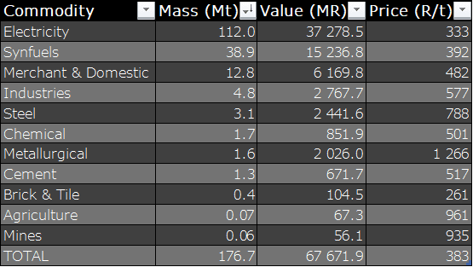
 |  | Eskom | 36567.27 | 18.85 | 16 | -2285.5 | 302 | -121.257 | -121.18 | -121.18 | -115 | -112 |  | -122.69 | -117.7 | -116.55 | -119 | -111.90 | -2284 | -2284.00 | -2217.6 |  |  |  | Synfuels | 39.00 | 15160 | 389 | 15,171

 |  | Kelvin |  |  |  |  |  |  | -1.18 | -1.18 |  |  |  |  |  |  |  |  |  | 0.00 |  |  |  |  | Industries | 4.94 | 2756 | 558 | 2,757
 | Liquefaction |  |  |  |  | -827.6 |  | -39.710 | -39.619 | -39.619 | -39.000 | -38.900 | 0.000 | -39.323 | -14.189 | 0.000 | -39.000 | -39.306 | -825.660 | -825.660 | -295.700
 |  | CTL | 7737.63 | 20.84 | 9.35 | -827.6 | 195 | -39.710 | -39.6 | -39.6 | -39 | -38.9 |  | -39.32 | -14.2 |  | -39 | -39.31 | -786.33 | -825.66 | -295.7 |  |  |  | Steel | 2.91 | 2151 | 739 | 2,150
 |  | Sasol SSF |  | 20.84 |  |  |  |  |  |  |  |  |  |  |  |  |  |  | -39.33 | 0.00 |  |  |  |  | Metallurgical | 2.70 | 2852 | 1,041 | 2,811
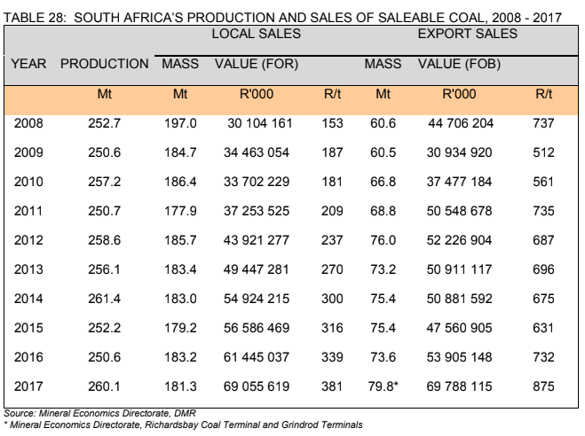
 | Exports |  |  | 24 |  |  |  |  | 72.0 | 79.8 |  |  |  | 67.1 |  |  |  | 79.8 | 1727.0 | 1915.2 |  |  |  |  | Cement | 1.2360 | 596 | 482 | 596

 | CO2 (mton) |  |  |  |  |  |  |  |  |  |  |  |  |  |  |  | 183 |  | -246,686 | -251,720
 |  |  |  |  |  |  |  |  |  |  |  |  |  |  |  |  |  |  |  |  |  |  |  |  | Brick&Tile | 0.3435 | 93 | 272 | 93
 |  |  |  |  |  |  |  |  |  |  |  |  |  |  |  |  |  |  |  |  |  |  |  |  | Agriculture | 0.0698 | 60 | 864 | 60
 |  |  |  |  |  |  |  |  |  |  |  |  |  |  |  |  |  |  |  |  |  |  |  |  | Mines | 0.0471 | 39 | 830 | 39
 | From SUT 2017 |  |  |  |  |  |  |  |  |  |  |  |  |  |  |  |  |  |  |  |  |  |  |  | Transport | 0.0021 | 2 | 1,140 | 2
 | Agriculture | Agriculture | Agriculture | I1 | 23.08
 | Agriculture | Agriculture | Forestry | I2 | 0 |  |  |  |  |  |  |  |  |  |  |  |  |  |  |  |  |  |  |  | TOTAL | 180 | 67844 | 377 | 67,844
 | Agriculture | Agriculture | Fishing | I3 | 0
 | Mining2 | Mining and quarrying | Mining of coal and lignite | I4 | 8.29
 | Mining2 | Mining and quarrying | Mining of gold and uranium ore | I5 | 451.16
 | FerroAlloys | Mining and quarrying | Mining of metal ores | I6 | 3560.55
 | Mining2 | Mining and quarrying | Other mining and quarrying | I7 | 769.61 |  |  |  |  |  |  |  |  |  |  |  |  |  |  |  |  |  |  |  |  | 2017
 | Food_Bev_Tob30 | Food&Tob | Food | I8 | 636.07 |  |  |  |  |  |  |  |  |  |  |  |  |  |  |  |  |  |  |  | Purchased | 116.55
 | Food_Bev_Tob30 | Food&Tob | Beverages and tobacco | I9 | 105.81 |  |  |  |  |  |  |  |  |  |  |  |  |  |  |  |  |  |  |  | Burnt | 114.302
 | IndOther | Textile&leather | Spinning, weaving and finishing of textiles | I10 | 238.98 |  |  |  |  |  |  |  |  |  |  |  |  |  |  |  |  |  |  |  | Stock Change | 2.248
 | IndOther | Textile&leather | Knitted, crouched fabrics, wearing apparel, fur articles | I11 | 73.69
 | IndOther | Textile&leather | Tanning and dressing of leather | I12 | 3.97 |  |  |  |  |  |  |  |  |  |  |  |  |  |  |  |  |  |  |  | CV 2017 | 19.87
 | IndOther | Textile&leather | Footwear | I13 | 1
 | IndOther | Wood and Wood Products | Sawmilling, planing of wood, cork, straw | I14 | 163.2 |  |  |  |  |  |  |  |  |  |  |  |  |  |  |  |  | NBI - Electricity Slide Deck
 | Pulp_Paper323 | Paper Pulp and Print | Paper | I15 | 3198.31
 | Pulp_Paper323 | Paper Pulp and Print | Publishing, printing, recorded media | I16 | 25.92
 | CTL | Refinery | Coke oven, petroleum refineries | I17 | 7737.63
 | Chemicals33 | Chemical and Petrochemical | Nuclear fuel, basic chemicals | I18 | 324.81
 | Chemicals33 | Chemical and Petrochemical | Other chemical products, man-made fibres | I19 | 95.44
 | Chemicals33 | Chemical and Petrochemical | Rubber | I20 | 55.38 |  |  |  |  |  |  |  |  |  |  |  |  |  |  |  |  |  |  |  |  | % | mton
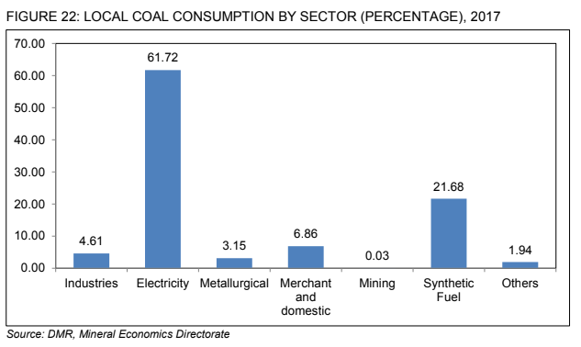
 | Chemicals33 | Chemical and Petrochemical | Plastic | I21 | 10.64 |  |  |  |  |  |  |  |  |  |  |  |  |  |  |  |  |  |  |  |  |  | 181.3 | Taken from Table 28
 | NMMProducts34 | Non-Metallic Minerals | Glass | I22 | 15.95 |  |  |  |  |  |  |  |  |  |  |  |  |  |  |  |  |  |  |  | Industries | 4.61 | 8.36
 | NMMProducts34 | Non-Metallic Minerals | Non-metallic minerals | I23 | 1176.85 |  |  |  |  |  |  |  |  |  |  |  |  |  |  |  |  |  |  |  | Electricity | 61.72 | 111.90
 | Iron_Steel351 | Iron and Steel | Basic iron and steel, casting of metals | I24 | 3576.96 |  |  |  |  |  |  |  |  |  |  |  |  |  |  |  |  |  |  |  | Metallurgical | 3.15 | 5.71
 | PNFMetals352 | Non-Ferrous Metals | Basic precious and non-ferrous metals | I25 | 18.95 |  |  |  |  |  |  |  |  |  |  |  |  |  |  |  |  |  |  |  | Merchant and domestic | 6.86 | 12.44
 | IndOther | Machinery | Fabricated metal products | I26 | 53.51 |  |  |  |  |  |  |  |  |  |  |  |  |  |  |  |  |  |  |  | Mining | 0.03 | 0.05
 | IndOther | Machinery | Machinery and equipment | I27 | 28.43 |  |  |  |  |  |  |  |  |  |  |  |  |  |  |  |  |  |  |  | Synthetic Fuel | 21.68 | 39.31
 | IndOther | Machinery | Electrical machinery and apparatus | I28 | 16.06 |  |  |  |  |  |  |  |  |  |  |  |  |  |  |  |  |  |  |  | Others | 1.94 | 3.52
 | IndOther | Other Ind | Radio, television, communication equipment and apparatus | I29 | 4.98
 | IndOther | Other Ind | Medical, precision, optical instruments, watches and clocks | I30 | 0.42
 | IndOther | Other Ind | Motor vehicles, trailers, parts | I31 | 3.13
 | IndOther | Transport equip | Other transport equipment | I32 | 4.29
 | IndOther | Other Ind | Furniture | I33 | 25.65
 | IndOther | Other Ind | Manufacturing n.e.c, recycling | I34 | 10.07
 | Power | Power | Electricity, gas, steam and hot water supply | I35 | 36567.27
 | IndOther | Other Ind | Collection, purification and distribution of water | I36 | 1525.47
 | IndOther | Construction | Construction | I37 | 0
 | Comm&gov | Comm&gov | Wholesale trade, commission trade | I38 | 0
 | Comm&gov | Comm&gov | Retail trade | I39 | 0
 | Comm&gov | Comm&gov | Sale, maintenance, repair of motor vehicles | I40 | 0
 | Comm&gov | Comm&gov | Hotels and restaurants | I41 | 46.55
 | IndOther | Transport | Land transport, transport via pipe lines | I42 | 83.72
 | IndOther | Transport | Water transport | I43 | 2.82
 | IndOther | Transport | Air transport | I44 | 21.02
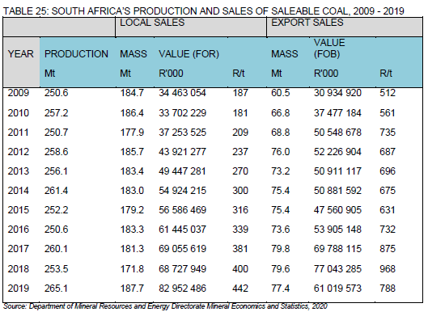
 | IndOther | Transport | Auxiliary transport | I45 | 26.41
 | Comm&gov | Comm&gov | Post and telecommunication | I46 | 1.8
 | Comm&gov | Comm&gov | Financial intermediation | I47 | 0
 | Comm&gov | Comm&gov | Insurance and pension funding | I48 | 0
 | Comm&gov | Comm&gov | Activities to financial intermediation | I49 | 0
 | Comm&gov | Comm&gov | Real estate activities | I50 | 0
 | Comm&gov | Comm&gov | Renting of machinery and equipment | I51 | 0
 | Comm&gov | Comm&gov | Computer and related activities | I52 | 0
 | Comm&gov | Comm&gov | Research and experimental development | I53 | 0
 | Comm&gov | Comm&gov | Other business activities | I54 | 0
 | Comm&gov | Comm&gov | Government | I55 | 683.05
 | Comm&gov | Comm&gov | Education | I56 | 16.04
 | Comm&gov | Comm&gov | Health and social work | I57 | 56.34
 | Comm&gov | Comm&gov | Sewerage and refuse disposal | I58 | 0.25
 | Comm&gov | Comm&gov | Activities of membership organisations | I59 | 0.81
 | Comm&gov | Comm&gov | Recreational, cultural and sporting activities | I60 | 16.45
 | Comm&gov | Comm&gov | Other activities | I61 | 1.66
 | Comm&gov | Comm&gov | Non-observed, informal, non-profit, households, | I62 | 76.21 |  |  |  |  |  |  |  |  |  |  |  |  |  |  |  |  |  |  | 171.8 | 179.75
 | 0 |  | Total industry | TI | 61544.66 |  |  |  |  |  |  |  |  |  |  |  |  |  |  |  |  |  |  | 187.7

 |  |  |  |  |  |  |  |  |  |  |  |  |  |  |  |  |  |  |  |  |  |  | https://www.dmr.gov.za/resources

